Summary Dashboard
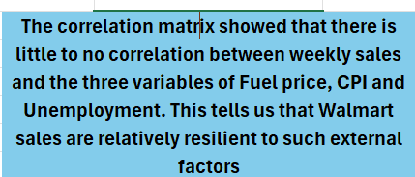
 | Correlation matrix
 | Weekly_Sales | Fuel_Price | CPI | Unemployment
Weekly_Sales | 1
Fuel_Price | 0.0094637863145 | 1
CPI | -0.07263416204 | -0.17064179519 | 1
Unemployment | -0.10617608966 | -0.034683744874 | -0.30202006372 | 1

